Ark1
Weight and balance calculator for the Jora UA1
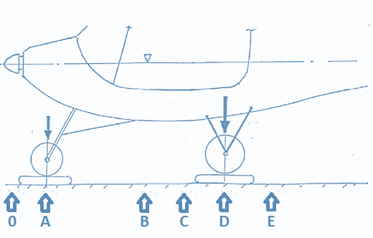

Point 0 is the reference datum (Prop shaft)
Distance between 0 and A (Nose wheel axle) | 25 | cm
Distance between 0 and B (Mid tank) | 120 | cm
Distance between 0 and C (Mid seat) | 161 | cm
Distance between 0 and D (Rear wheel axle) | 166 | cm
Distance between 0 and E (Mid baggage) | 210 | cm

 | Weight |  |  | Moment
Weight on the nose wheel empty | 36 | kg |  | 900
Weight on the rear wheel empty | 209 | kg |  | 34694
Pilot | 90 | kg |  | 14490
Co-Pilot | 80 | kg |  | 12880
Fuel | 40 | liter |  | 3539
Baggage | 0 | kg |  | 0

Total | 444.49 | Kg | CG: | 149.62

Take-Off weight is OK |  |  | Max CG front: | 140 cm
 |  |  | Max CG aft: | 152 cm
 | CG:
149.62 | 0
CG Position:

